Timberland
 |  |  |  |  | 7 | 7.5 | 8 | 8.5 | 9 | 9.5 | 10 | 10.5 | 11 | 11.5 | 12 | 13
SKU | Photo | Description + Color | WHS | RRP | 40 | 41 | 41.5 | 42 | 43 | 43.5 | 44 | 44.5 | 45 | 45.5 | 46 | 47.5 | Total
TB0A6DPSENM1 | 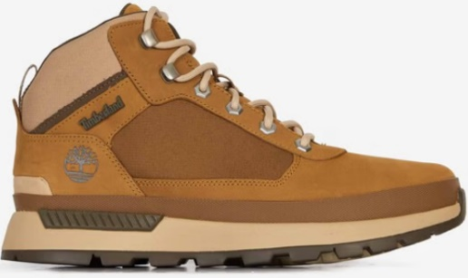 | field trekker mid lace up sneaker med brown nbk with brn | 75.00 € | 150.00 € | 21 | 87 |  | 145 | 172 |  | 137 |  | 18 |  | 6 |  | 586
TB0A5UWW0011 | 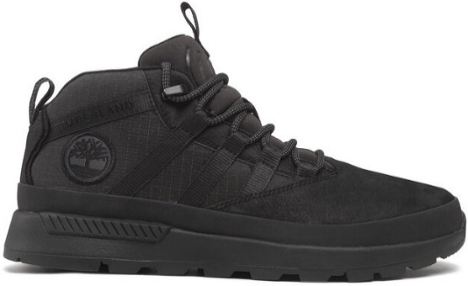 | eutk low lace sneaker black | 65.00 € | 130.00 € |  | 47 |  | 64 | 61 |  | 36 |  | 47 |  | 26 |  | 281
TB1A65992121 | 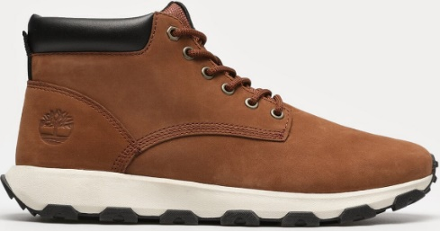 | winsor park mid lace up sneaker cognac | 77.50 € | 155.00 € |  | 25 | 9 | 37 | 41 | 17 | 41 | 10 | 29 | 2 | 2 | 2 | 215
TB0A5XS5V131 | 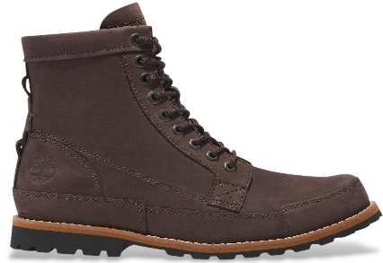 | originals mid lace up boot soil | 100.00 € | 200.00 € |  | 21 | 25 | 37 | 31 | 27 | 18 | 13 | 6 |  |  |  | 178
TB0A6DQDW071 | 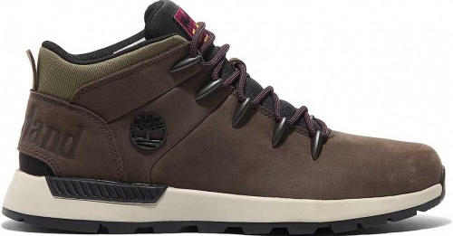 | sprint trekker mid lace up sneaker dark brown nubuck | 72.50 € | 145.00 € |  | 12 | 13 | 15 | 29 | 12 | 31 | 16 | 6 | 6 | 5 | 0 | 145
TB0A41W7EJU1 | 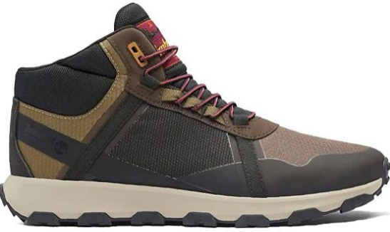 | winsor trail mid lace up waterproof medium brown mesh | 72.50 € | 145.00 € |  | 16 |  | 32 | 42 | 4 | 28 | 4 | 11 | 0 | 5 |  | 142
TB0A2P6WW061 | 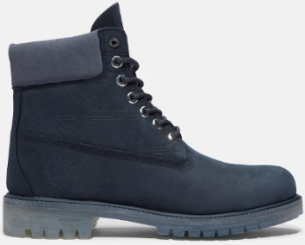 | premium 6 inch lace up waterproof boot navy nubuck | 110.00 € | 220.00 € |  | 10 |  | 20 | 25 |  | 25 |  | 15 |  | 10 |  | 105
TB0A5SB70151 | 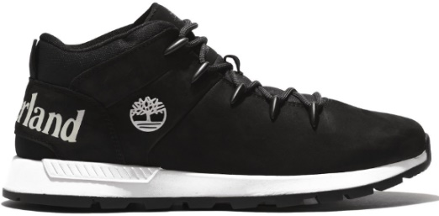 | sprint trekker mid lace up sneaker jet black | 72.50 € | 145.00 € |  | 15 |  | 24 | 21 |  | 17 |  |  |  |  |  | 77
TB0A41W7EJK1 | 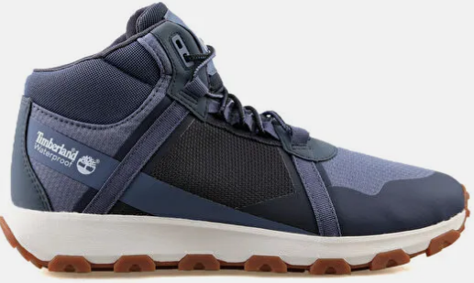 | winsor trail mid lace up waterproof medium blue mesh | 72.50 € | 145.00 € |  | 10 |  | 20 | 30 |  | 20 |  | 6 |  | 2 |  | 88
TB0A2P277541 | 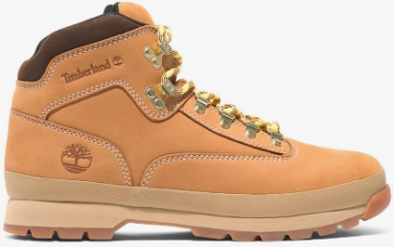 | euro hiker mid lace up boot wheat nubuck | 90.00 € | 180.00 € |  | 5 | 3 | 11 | 12 | 3 | 8 | 3 | 3 | 0 | 3 | 2 | 53
TB0A6DYHW071 | 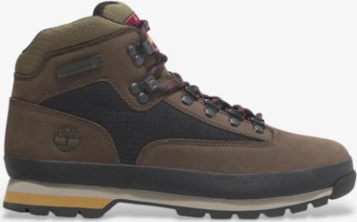 | euro hiker mid lace up boot dark brown nubuck | 85.00 € | 170.00 € |  | 6 | 6 | 15 | 15 | 3 | 11 | 3 | 11 |  | 6 |  | 76
TB0A69MNEJD1 | 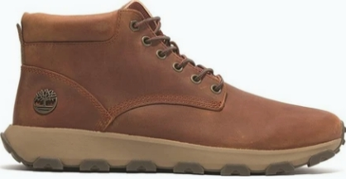 | winsor park mid lace up sneaker medium orange full grain | 80.00 € | 160.00 € |  | 4 | 5 | 8 | 11 | 10 | 12 | 8 | 7 | 2 | 7 | 2 | 76
TB1A5XRG0151 | 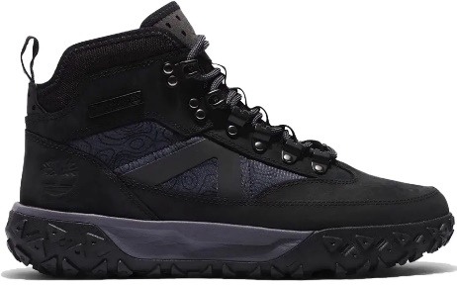 | GreenStride Motion 6 MID LACE UP WATERPROOF HIKING BOOT JET BLACK | 90.00 € | 180.00 € |  | 7 | 4 | 14 | 13 | 4 | 8 | 4 | 9 | 0 | 1 | 0 | 64
TB0A2P6WEN31 | 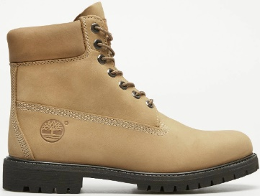 | prem 6 in lace waterproof boo | 110.00 € | 220.00 € | 1 | 2 | 2 | 7 | 2 | 4 | 6 | 3 | 6 | 3 | 3 | 4 | 43
TB0A69KC0151 | 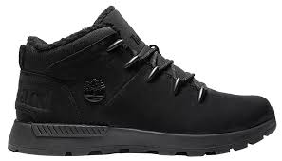 | sprint trekker mid lace up sneaker jet black | 80.00 € | 160.00 € |  | 5 | 3 | 12 | 12 | 3 | 13 | 3 | 7 | 2 | 6 |  | 66
TB0A5Y7H2311 | 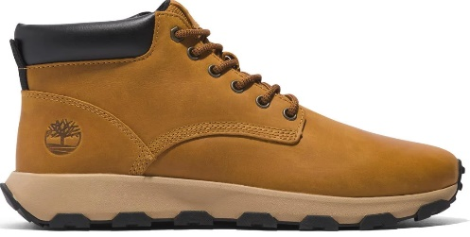 | winsor park mid lace up sneaker wheat | 80.00 € | 160.00 € |  | 6 | 3 | 10 | 11 | 3 | 13 | 2 | 6 |  | 2 |  | 56
TB0A2N4C7541 | 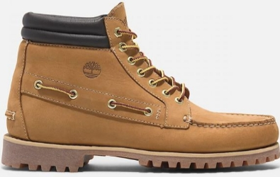 | timberland authentic mid lace up boot wheat nubuck | 110.00 € | 220.00 € |  | 2 | 1 | 4 | 6 | 2 | 3 | 3 | 2 |  | 1 | 1 | 25
TB0A6DKNW061 | 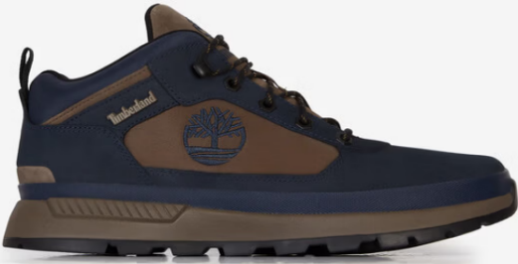 | field trekker low lace up sneaker navy nubuck | 70.00 € | 140.00 € |  | 7 |  | 16 | 17 |  | 8 |  |  |  |  |  | 48
TB0A6AZEW051 | 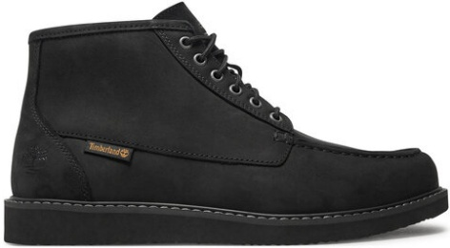 | newmarket mid lace up chukka boot black nubuck | 82.50 € | 165.00 € |  | 4 | 4 | 9 | 15 | 4 | 8 | 1 | 2 |  |  |  | 47
TB0A41X7EM61 | 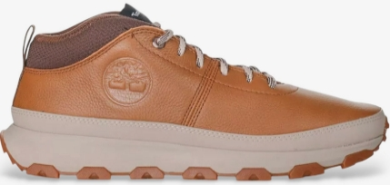 | winsor trail mid lace up sneaker rust full grain | 75.00 € | 150.00 € |  | 4 | 7 | 8 | 5 | 5 | 1 | 6 | 3 |  | 2 |  | 41
TB1A43UN0151 | 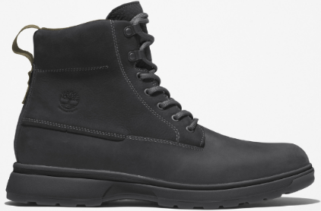 | atwells ave mid lace up waterproof boot jet black | 90.00 € | 180.00 € |  | 3 | 2 | 8 | 2 | 7 | 10 | 1 | 5 |  | 2 |  | 40
TB1A3ZUS0151 | 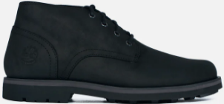 | alden brook mid lace up waterproof chukka boot jet black | 90.00 € | 180.00 € |  | 3 | 2 | 3 | 9 | 6 | 3 | 3 | 6 | 1 | 2 | 2 | 40
TB0A6AZEEM41 | 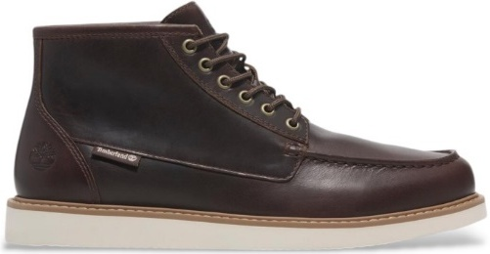 | newmarket mid lace up chukka boot medium brown full grain | 82.50 € | 165.00 € |  | 2 | 1 | 2 | 8 | 4 | 6 | 4 | 8 | 4 | 1 |  | 40
TB0A6DH2EO41 | 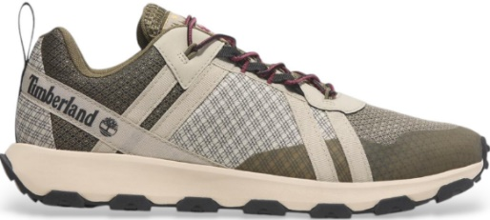 | winsor trail low lace up waterproof sneaker light taupe mesh | 65.00 € | 130.00 € |  | 6 | 3 | 5 | 5 | 2 | 1 | 2 | 4 | 3 | 4 | 3 | 38
TB0A69MNEL71 | 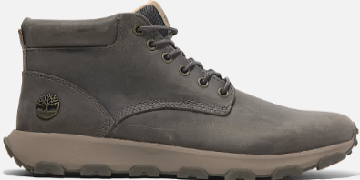 | winsor park mid lace up sneaker medium grey full grain | 80.00 € | 160.00 € |  | 4 | 4 | 4 | 8 | 4 | 3 | 1 | 4 | 2 | 1 |  | 35
TB0A5YTW9311 | 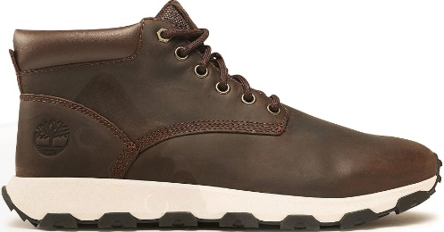 | winsor park mid lace up sneaker dark brown | 80.00 € | 160.00 € |  | 4 | 6 | 1 | 4 | 6 | 1 | 5 | 2 |  | 3 | 2 | 34
TB0A1QKA0191 | 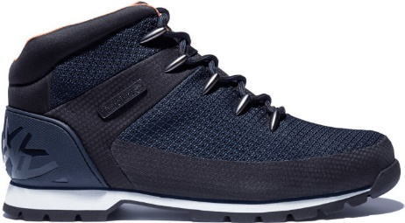 | euro sprint mid lace up waterproof boot navy | 75.00 € | 150.00 € |  | 4 | 1 | 8 | 8 | 3 | 3 | 2 | 1 |  |  |  | 30
TB0A5Y6W0011 | 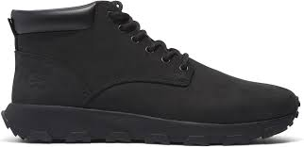 | winsor park mid lace up sneaker black | 77.50 € | 155.00 € |  | 3 | 4 | 3 | 1 | 6 | 3 | 3 | 1 |  | 2 | 1 | 27
TB0A6CPS7541 | 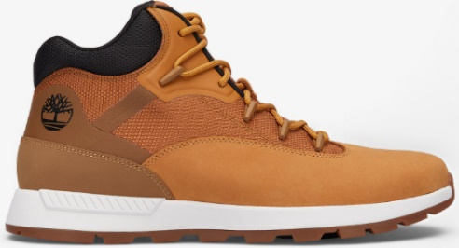 | sptk mid lace sneaker wheat | 65.00 € | 130.00 € | 2 | 1 | 1 | 3 | 4 | 1 | 3 | 1 | 3 | 1 | 3 | 1 | 24
TB0A6DPSEM01 | 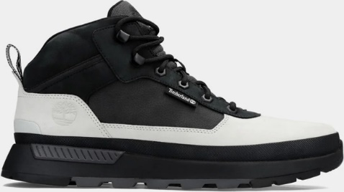 | field trekker mid lace up sneaker light grey nubuck | 75.00 € | 150.00 € |  | 2 | 1 |  | 1 | 3 | 4 | 3 | 3 | 1 | 3 | 1 | 22
TB0A62CR2311 | 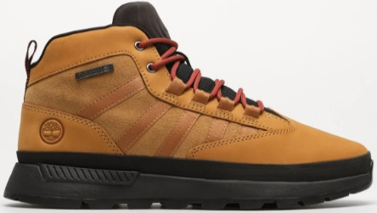 | euro trekker mid lace up sneaker wheat | 70.00 € | 140.00 € |  | 2 | 1 | 1 | 6 | 1 | 6 | 2 | 1 |  |  |  | 20
TB0A6DH2EJK1 | 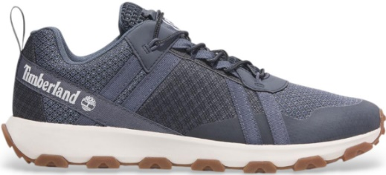 | winsor trail low lace up waterproof sneaker medium blue mesh | 65.00 € | 130.00 € |  | 2 | 3 | 2 | 2 | 1 | 2 | 2 | 2 | 3 |  |  | 19
TB0A6DPSEO81 | 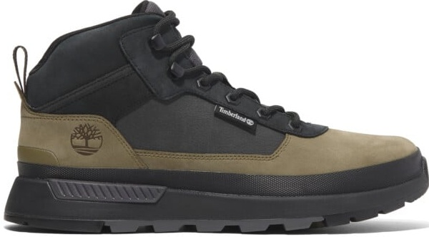 | field trekker mid lace up sneaker olive nubuck | 75.00 € | 150.00 € |  | 1 | 1 |  | 3 |  | 1 | 2 | 2 | 3 | 1 | 1 | 15
TB0A6CPSW051 | 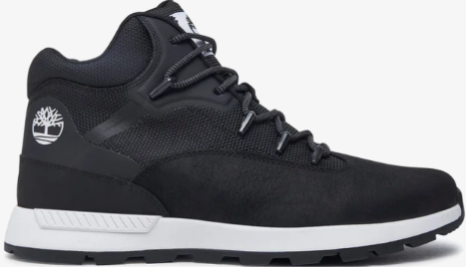 | sptk mid lace sneaker black | 65.00 € | 130.00 € |  | 1 | 1 | 2 | 2 | 1 | 2 |  | 1 | 1 | 1 | 1 | 13
TB1A3ZV19311 | 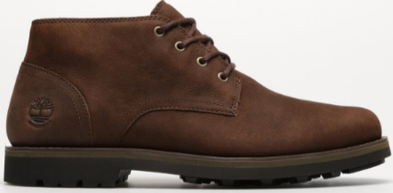 | alden brook mid lace up waterproof chukka boot dark brown | 90.00 € | 180.00 € |  | 2 |  | 2 | 1 | 1 | 2 |  | 2 |  | 2 |  | 12
 |  |  |  |  |  |  | 5.5 | 6 | 6.5 | 7 | 7.5 | 8 | 8.5 | 9 | 9.5 | 10
SKU | Photo | Description + Color | WHS | RRP |  |  | 36 | 37 | 37.5 | 38 | 38.5 | 39 | 39.5 | 40 | 41 | 41.5
TB0A2HR8EXU1 | 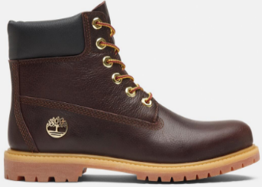 | premium 6 inch lace up waterproof boot dk brown full grain w blk | 110.00 € | 220.00 € |  |  | 12 | 19 | 8 | 18 | 8 | 13 | 1 | 7 | 7 | 3 | 96
 |  |  |  |  |  |  |  |  |  |  |  |  |  |  |  |  | 2917

